ACI 318-14
@
@ | LOSA MACIZA DE CONCRETO
@
@
@ |  |  | T/m3 | P.V (Kg/m3) | m | P.E (Kg/m2)
@ | Concreto reforzado |  | 2.4 | 2400 | 0.12 | 288
@ | Mortero de cemento y arena |  | 2.1 | 2100 | 0.02 | 42
@ | Yeso |  | 1.5 | 1500 | 0.01 | 15
@ | losets |  |  | 10 | 1 | 10
@ |  |  |  |  | Suma | 355
@
@ | D | = | 355 | kg/m2
@ | L | = | 250 | kg/m2
@ |  |  | 605
@
@
@
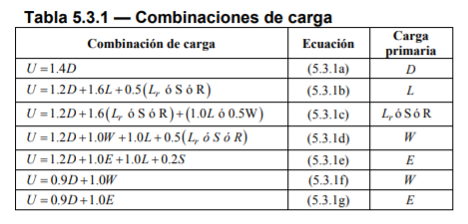
@
@ |  |  |  |  |  | U = | 497
@ |  |  |  |  |  | U = | 826 | kg/m2
@ |  |  |  |  |  | U = | 676
@ |  |  |  |  |  | U = | 676
@ |  |  |  |  |  | U = | 676
@ |  |  |  |  |  | U = | 1031
@ |  |  |  |  |  | U = | 319.5
 |  |  |  |  |  | U = | 319.5

